配對
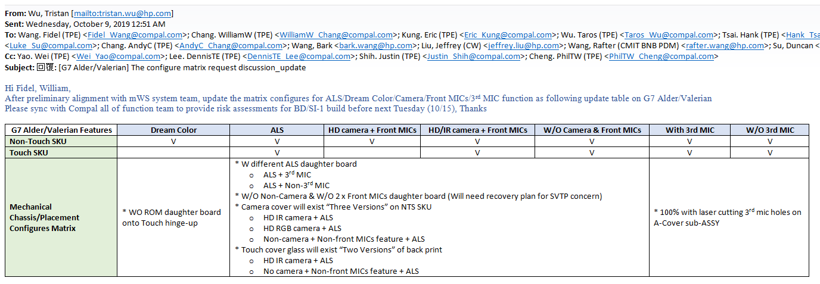
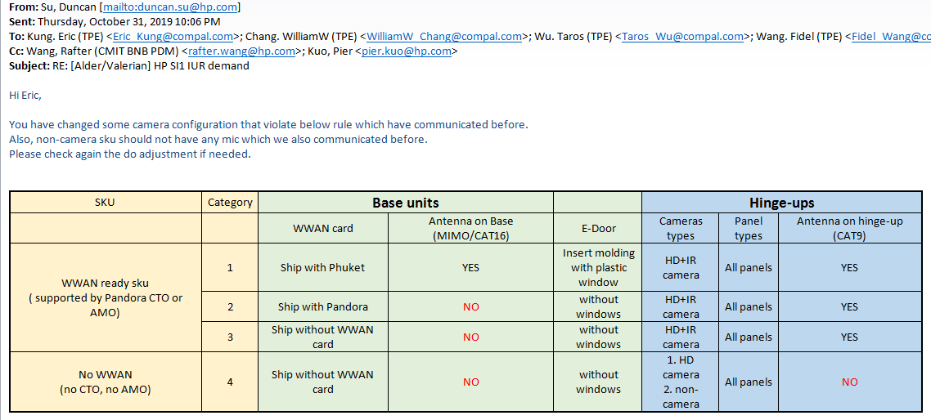
SSD #2 只能排NVME SSD

non-pro | non-vpro WLAN | non-vpro lan chip
vpro | vpro WLAN | vpro lan chip

MIMO | MIMO E door
non-MIMO | non-MIMO E door

100% ALS with 3rd mic
100% ALS with non-3rd mic

TS | UHD only | IR camera only(不能搭配RGB camera)
non-TS | UHD+DREAMCOLOR | without ALS(3rd mic)?
non-camera | non-front mic(直接塞mylar)

sku2 WO WWAN but with WWAN antenna

